Sheet
 | Currency | INR | Region Of Mfg. |  | Pune,India | Annual Product Volume | 36000
Sl No. | Assumption Card | Level | Leaf Node | Part No | Part name | Parent name | Category name | Qty. | Wt.(g) | Individual Part Cost (IPC) | Total Cost (IPC x Qty) | Costing Type | RM Cost | BOP Cost | Machine Cost | Labour Cost | Set-Up Cost | Tool Cost | Overhead Cost | Child Parts Cost | RM Grades | RM Rates (Per Kg Rate) | Scrap Rates (Per Kg Rate) | Top View | Front View
1 | Pune,India | L-1 | FALSE | 2312-BA-A | BRAKE ASSEMBLY | Seltos 1.5 Petrol HTX IVT | Flexible Assembly (A) | 1 | 53718 | 16669.19 | 16669.19 | DC | 0 | 0 | 0 | 0 | 0 | 0 | 314.66 | 16354.52 |  |  |  | 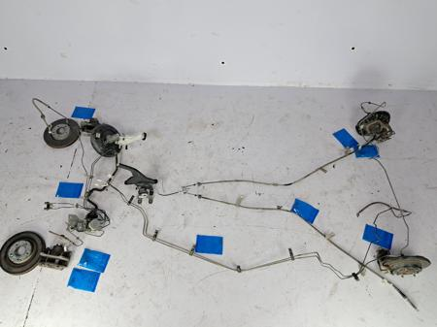 | 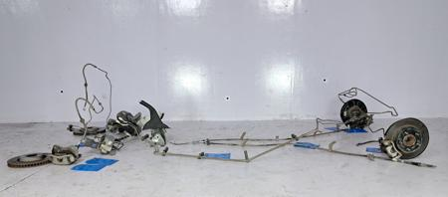
2 | Pune,India | L-2 | FALSE | 2312-BA-01-A | Brake Booster Assembly | BRAKE ASSEMBLY | Flexible Assembly (A) | 1 | 3147.2 | 980.68 | 980.68 | DC | 0 | 0 | 0 | 0 | 0 | 0 | 19.23 | 961.45 |  |  |  | 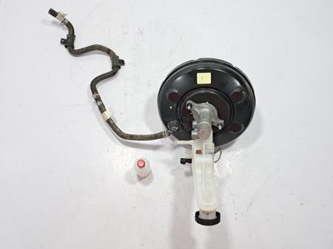 | 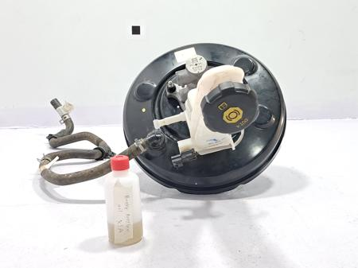
3 | Pune,India | L-3 | TRUE | 2312-BA-01-01-A | Reservoir-Master CY | Brake Booster Assembly | Moulding (LA) | 1 | 177.83 | 48.75 | 48.75 | DC | 18.28 | 2.3 | 7.86 | 7.97 | 0.39 | 0 | 11.96 | 0 | PL-PP, PL-PPPlastic-ASI,MAGNET-ASI | 91.4,91.4,0.0,84.0 | 36.4,36.4, | 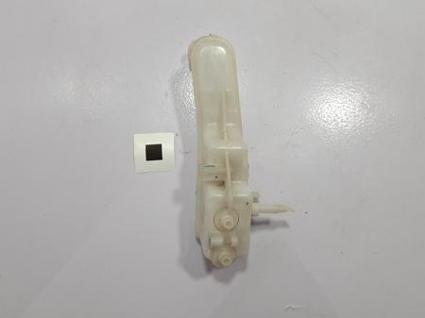 | 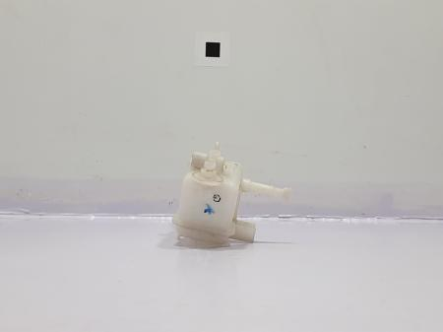
4 | Pune,India | L-3 | TRUE | 2312-BA-01-02 | Reservoir-Master CYL Cap | Brake Booster Assembly | Moulding (P) | 1 | 12.99 | 2.34 | 2.34 | BOP | 0 | 2.34 | 0 | 0 | 0 | 0 | 0 | 0 | Plastic-ASI | 0.0 |  | 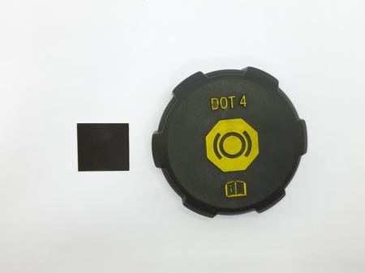 | 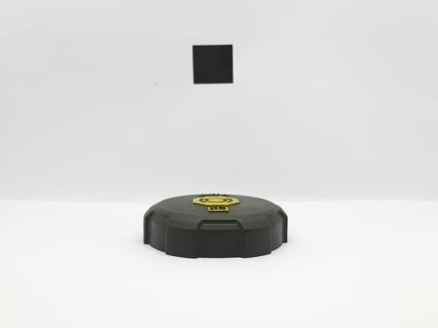
5 | Pune,India | L-3 | TRUE | 2312-BA-01-03-A | Reservior Oil Level Sensor | Brake Booster Assembly | Electronic Bought-out (LA) | 1 | 13.83 | 118.81 | 118.81 | DC | 1.7 | 64.84 | 0 | 0.39 | 0 | 0 | 51.87 | 0 | EH-Wire-Dia 0.61 (23 SWG)Plastic-ASI,Plastic-ASI,pcb board,Sensor,CONNECTOR 3,CONNECTOR 3,CONNECTOR 3,CONNECTOR 3,Epoxy-ASI,Plastic-ASI | 5.68,0.0,0.0,23.105,0.0,4.96062,4.96062,4.96062,4.96062,0.0,0.0 | 0.0, | 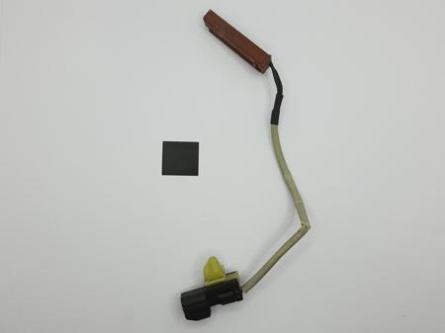 | 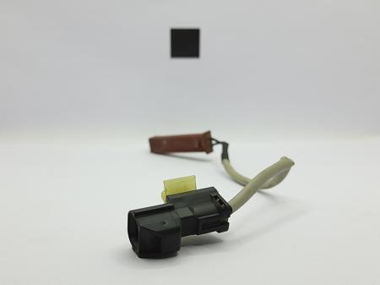
6 | Pune,India | L-3 | TRUE | 2312-BA-01-04 | Master Cylinder Nut | Brake Booster Assembly | Nut (P) | 2 | 3.655 | 0.55 | 1.09 | BOP | 0 | 0.55 | 0 | 0 | 0 | 0 | 0 | 0 | ASI-NUT | 150.0 |  | 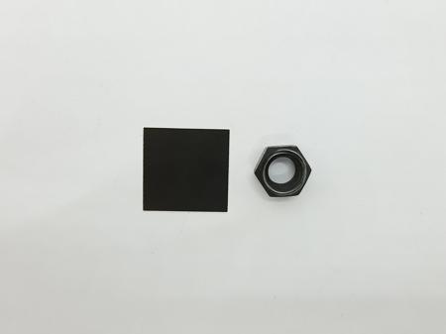 | 
7 | Pune,India | L-3 | TRUE | 2312-BA-01-05 | Master Cylinder Washer | Brake Booster Assembly | Washer (P) | 2 | 1.895 | 0.19 | 0.38 | BOP | 0 | 0.19 | 0 | 0 | 0 | 0 | 0 | 0 | washer-ASI | 0.0 |  | 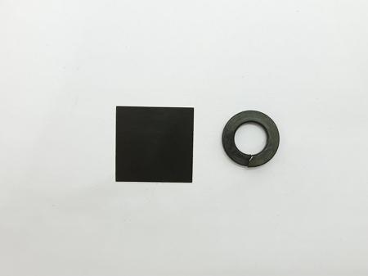 | 
8 | Pune,India | L-3 | TRUE | 2312-BA-01-06 | Master Cylinder Bush | Brake Booster Assembly | Moulding (P) | 2 | 2.1 | 1.05 | 2.1 | BOP | 0 | 1.05 | 0 | 0 | 0 | 0 | 0 | 0 | BUSH-ASI | 0.0 |  | 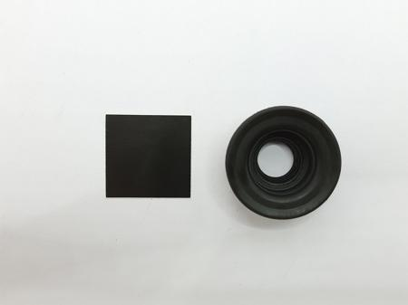 | 
9 | Pune,India | L-3 | TRUE | 2312-BA-01-07 | Master Cylinder O-ring | Brake Booster Assembly | Moulding (P) | 1 | 1.29 | 0.65 | 0.65 | BOP | 0 | 0.65 | 0 | 0 | 0 | 0 | 0 | 0 | O-RINGS | 0.19 |  |  | 
10 | Pune,India | L-3 | TRUE | 2312-BA-01-08 | Reservoir-Master CYL Cap Seal | Brake Booster Assembly | Moulding (P) | 1 | 3.89 | 1.95 | 1.95 | BOP | 0 | 1.95 | 0 | 0 | 0 | 0 | 0 | 0 | RUBBER-ASI | 0.0 |  | 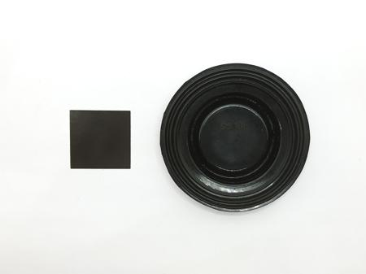 | 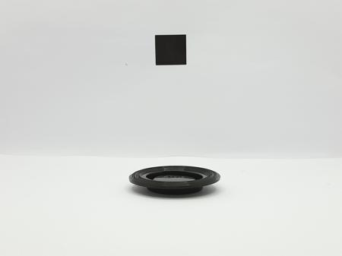
11 | Pune,India | L-3 | TRUE | 2312-BA-01-09-A | Reservoir Strainer | Brake Booster Assembly | Moulding (LA) | 1 | 1.98 | 0.36 | 0.36 | BOP | 0 | 0.36 | 0 | 0 | 0 | 0 | 0 | 0 | Plastic-ASI | 0.0 |  | 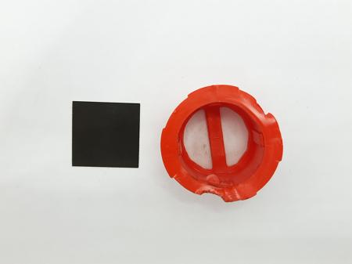 | 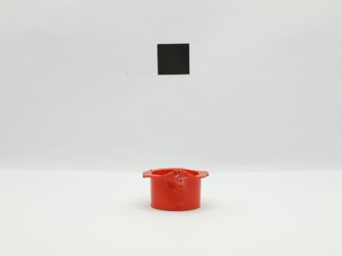
12 | Pune,India | L-3 | TRUE | 2312-BA-01-010 | Reservoir - Master Cylinder Bolt | Brake Booster Assembly | Bolt (P) | 1 | 7.18 | 1.08 | 1.08 | BOP | 0 | 1.08 | 0 | 0 | 0 | 0 | 0 | 0 | ASI-BOLT | 140.0 |  | 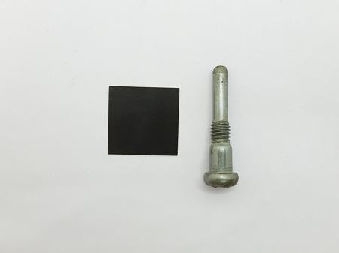 | 
13 | Pune,India | L-3 | TRUE | 2312-BA-01-011-A | Master Cylinder | Brake Booster Assembly | Non-Fe Casting (LA) | 1 | 377.67 | 196.7 | 196.7 | DC | 88.86 | 0.85 | 32.79 | 17.2 | 3.35 | 0 | 53.64 | 0 | AL-AA-Ingots-60822105-GA-EN-O RING-ASI,Steel Ball-ASI | 0.0,0.5,0.0 | 0.0, | 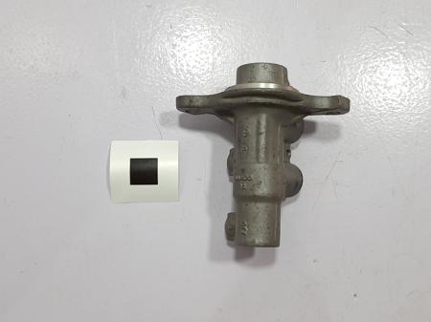 | 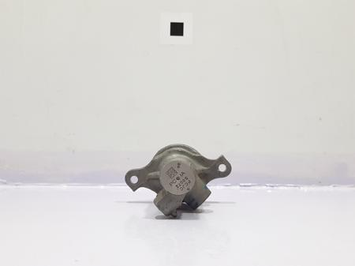
14 | Pune,India | L-3 | TRUE | 2312-BA-01-012 | Brake Booster Rear Casing | Brake Booster Assembly | Fabrication (P) | 1 | 553 | 72.42 | 72.42 | DC | 44.55 | 0.13 | 11.93 | 0.52 | 0 | 0 | 15.29 | 0 | ST-CS-Coil-CR2105-GA-EL-INFORMATION STICKER | 61.02,6.16 | 24.4, | 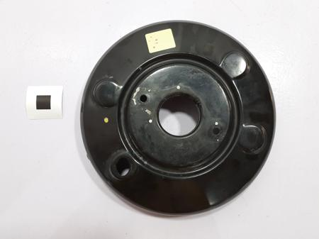 | 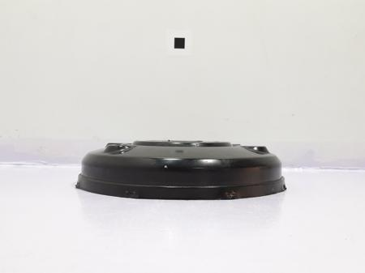
15 | Pune,India | L-3 | TRUE | 2312-BA-01-013 | Vacuum Check Valve | Brake Booster Assembly | Moulding (P) | 1 | 7.92 | 1.43 | 1.43 | BOP | 0 | 1.43 | 0 | 0 | 0 | 0 | 0 | 0 | Plastic-ASI | 0.0 |  | 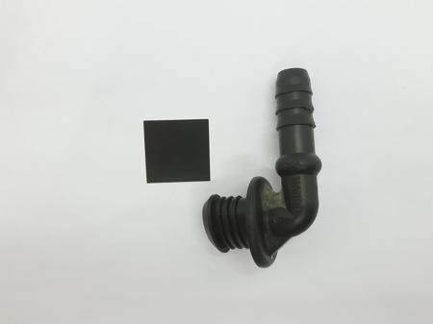 | 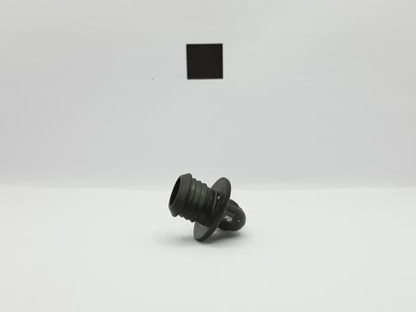
16 | Pune,India | L-3 | TRUE | 2312-BA-01-014 | Vacuum Check Valve Grommet | Brake Booster Assembly | Moulding (P) | 1 | 3.99 | 2 | 2 | BOP | 0 | 2 | 0 | 0 | 0 | 0 | 0 | 0 | RUBBER-ASI | 0.0 |  |  | 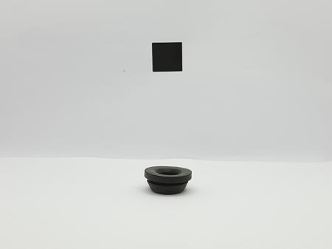
17 | Pune,India | L-3 | TRUE | 2312-BA-01-015 | Gasket | Brake Booster Assembly | Foam (P) | 1 | 1.51 | 0.6 | 0.6 | BOP | 0 | 0.6 | 0 | 0 | 0 | 0 | 0 | 0 | FOAM-ASI | 0.0 |  | 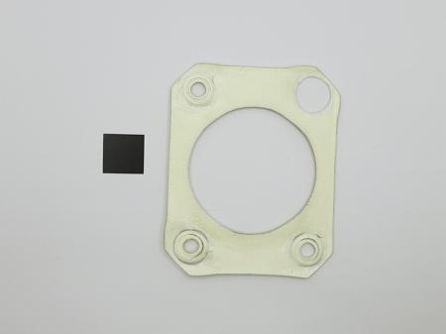 | 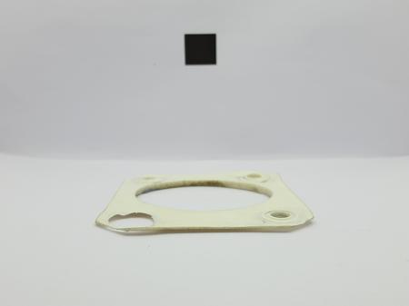
18 | Pune,India | L-3 | TRUE | 2312-BA-01-016-A | Brake Booster Front Casing | Brake Booster Assembly | Fabrication Assembly (LA) | 1 | 669 | 128.32 | 128.32 | DC | 41.75 | 46.81 | 12.48 | 0.9 | 0.08 | 0 | 26.29 | 0 | ST-CS-Coil-CRFT-Stud-00,FT-Stud-00 | 61.02,150.0,150.0 | 24.4, | 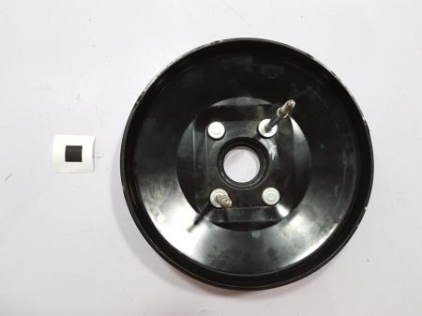 | 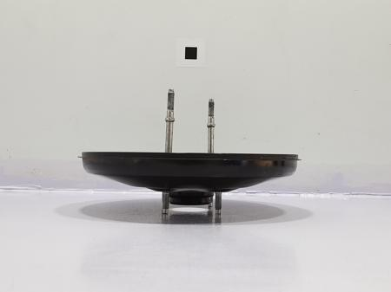
19 | Pune,India | L-3 | TRUE | 2312-BA-01-017 | Diaphragm | Brake Booster Assembly | Moulding (P) | 1 | 112.4 | 40.63 | 40.63 | DC | 21.69 | 0 | 7.77 | 1.29 | 0 | 0 | 9.89 | 0 | RB-SR-Sheet-SBR | 174.0 | 69.6, | 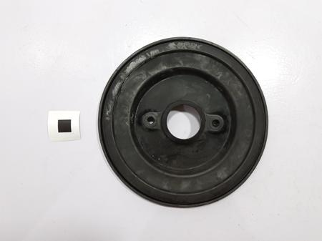 | 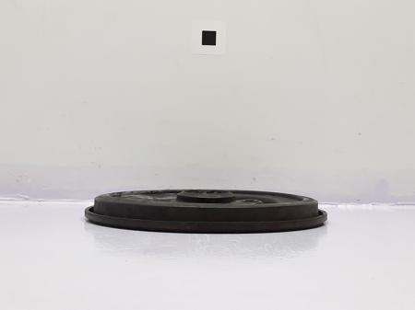
20 | Pune,India | L-3 | TRUE | 2312-BA-01-018 | Brake Booster Diaphragm Plate | Brake Booster Assembly | Fabrication (P) | 1 | 394 | 55.11 | 55.11 | DC | 31.98 | 0 | 11.1 | 0.26 | 0 | 0 | 11.77 | 0 | ST-CS-Coil-CR | 61.02 | 24.4, | 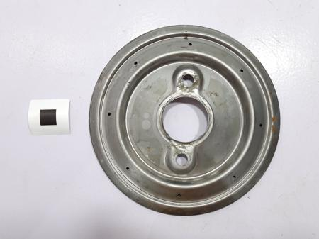 | 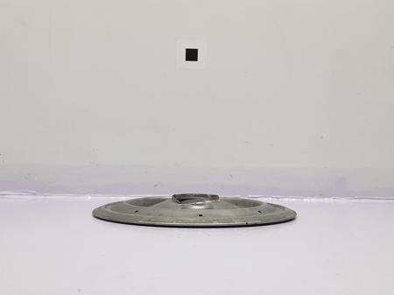
21 | Pune,India | L-3 | TRUE | 2312-BA-01-019 | Brake Booster Spring | Brake Booster Assembly | Spring (P) | 1 | 83.86 | 15.09 | 15.09 | BOP | 0 | 15.09 | 0 | 0 | 0 | 0 | 0 | 0 | SPRING-ASI | 0.0 |  | 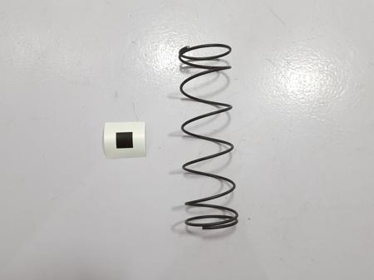 | 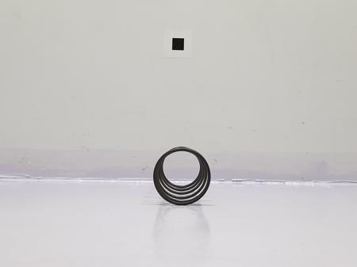
22 | Pune,India | L-3 | TRUE | 2312-BA-01-020 | Brake Booster Push Rod Boot | Brake Booster Assembly | Moulding (P) | 1 | 17.45 | 8.72 | 8.72 | BOP | 0 | 8.72 | 0 | 0 | 0 | 0 | 0 | 0 | RUBBER-ASI | 0.0 |  | 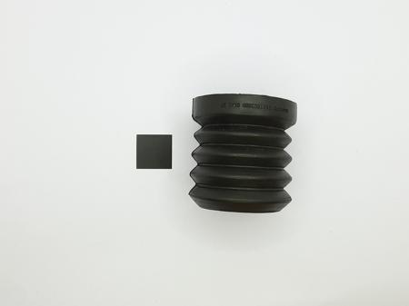 | 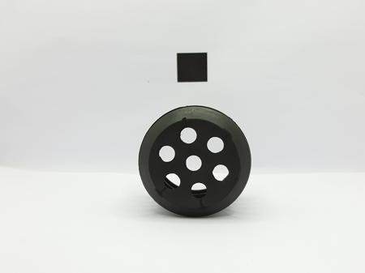
23 | Pune,India | L-3 | TRUE | 2312-BA-01-021 | Brake Booster Casing Spring Holder | Brake Booster Assembly | Moulding (P) | 1 | 87.4 | 43.7 | 43.7 | BOP | 0 | 43.7 | 0 | 0 | 0 | 0 | 0 | 0 | Plastic-ASI | 0.0 |  | 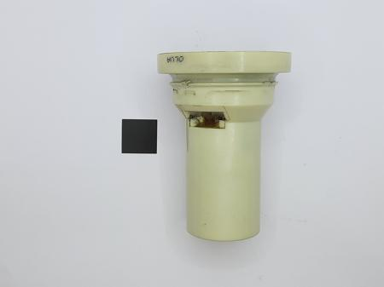 | 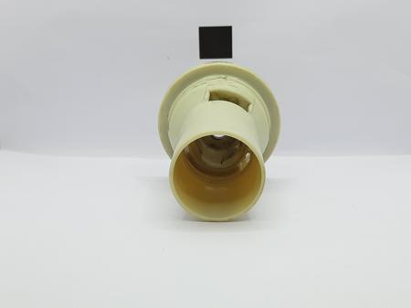
24 | Pune,India | L-3 | TRUE | 2312-BA-01-022 | Brake Booster Front Casing Seal | Brake Booster Assembly | Moulding (P) | 1 | 8.86 | 4.43 | 4.43 | BOP | 0 | 4.43 | 0 | 0 | 0 | 0 | 0 | 0 | RUBBER-ASI | 0.0 |  | 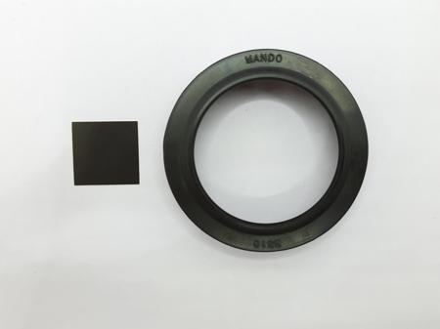 | 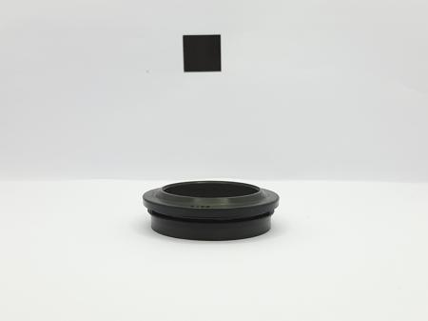
25 | Pune,India | L-3 | TRUE | 2312-BA-01-023-A | Brake Booster Push Rod | Brake Booster Assembly | Fabrication Assembly (LA) | 1 | 107.24 | 80.5 | 80.5 | DC | 4.49 | 38.27 | 9.3 | 10.99 | 0.17 | 0 | 17.29 | 0 | Mild MS RoundsSPRING-ASI,SPRING-ASI,Seal-ASI,Steel-ASI,Steel-ASI | 57.6,0.0,0.0,0.0,0.0,0.0 | 23.04, | 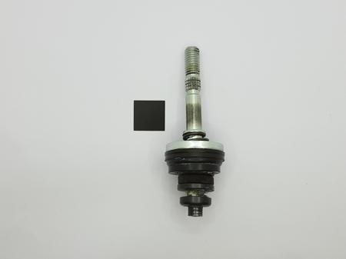 | 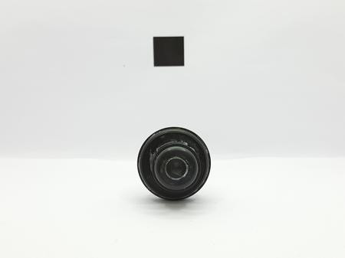
26 | Pune,India | L-3 | TRUE | 2312-BA-01-024-A | Air Valve | Brake Booster Assembly | Fabrication Assembly (LA) | 1 | 46.51 | 7.44 | 7.44 | BOP | 0 | 7.44 | 0 | 0 | 0 | 0 | 0 | 0 | Steel-ASI | 0.0 |  | 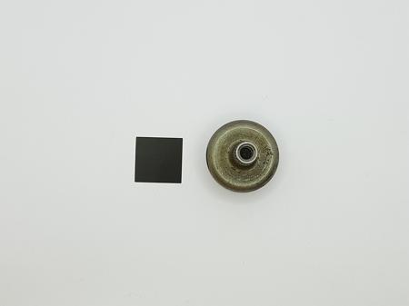 | 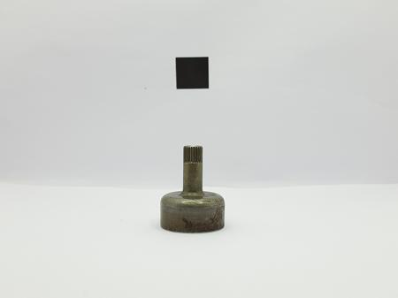
27 | Pune,India | L-3 | TRUE | 2312-BA-01-025 | Spring Holder Rubber Bush | Brake Booster Assembly | Moulding (P) | 1 | 4.23 | 2.12 | 2.12 | BOP | 0 | 2.12 | 0 | 0 | 0 | 0 | 0 | 0 | RUBBER-ASI | 0.0 |  | 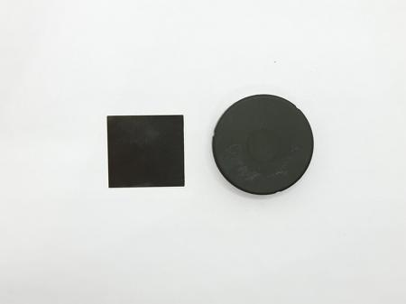 | 
28 | Pune,India | L-3 | TRUE | 2312-BA-01-026 | Air Valve Bolt | Brake Booster Assembly | Bolt (P) | 1 | 5.49 | 0.82 | 0.82 | BOP | 0 | 0.82 | 0 | 0 | 0 | 0 | 0 | 0 | ASI-BOLT | 140.0 |  | 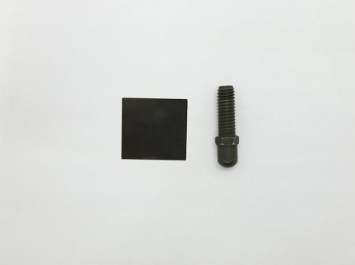 | 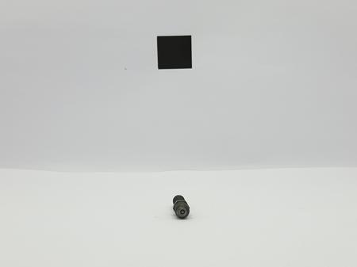
29 | Pune,India | L-3 | TRUE | 2312-BA-01-027 | Spring Holder Foam | Brake Booster Assembly | Foam (P) | 1 | 0.65 | 0.26 | 0.26 | BOP | 0 | 0.26 | 0 | 0 | 0 | 0 | 0 | 0 | Foam | 0.699 |  | 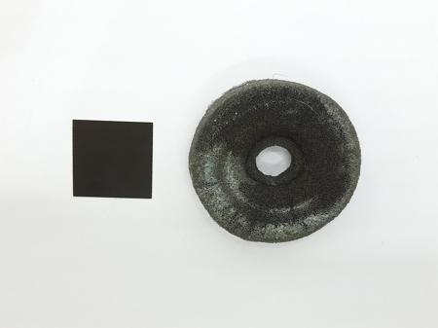 | 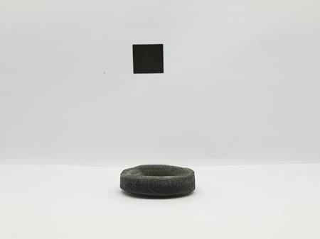
30 | Pune,India | L-3 | TRUE | 2312-BA-01-028 | Filter | Brake Booster Assembly | Fabric (P) | 1 | 3.42 | 1.71 | 1.71 | BOP | 0 | 1.71 | 0 | 0 | 0 | 0 | 0 | 0 | 2202-AI-Air Filter Foam-ASI | 100.0 |  |  | 
31 | Pune,India | L-3 | TRUE | 2312-BA-01-029 | Spring Holder Retainer | Brake Booster Assembly | Fabrication (P) | 1 | 10.16 | 1.63 | 1.63 | BOP | 0 | 1.63 | 0 | 0 | 0 | 0 | 0 | 0 | Steel-ASI | 0.0 |  |  | 
32 | Pune,India | L-3 | TRUE | 2312-BA-01-030 | Yoke | Brake Booster Assembly | Fabrication (P) | 1 | 44.4 | 7.1 | 7.1 | BOP | 0 | 7.1 | 0 | 0 | 0 | 0 | 0 | 0 | Steel-ASI | 0.0 |  |  | 
33 | Pune,India | L-3 | TRUE | 2312-BA-01-031 | Yoke Pin | Brake Booster Assembly | Pin (P) | 1 | 16.12 | 2.26 | 2.26 | BOP | 0 | 2.26 | 0 | 0 | 0 | 0 | 0 | 0 | Steel-ASI | 0.0 |  |  | 
34 | Pune,India | L-3 | TRUE | 2312-BA-01-032-A | Master Cylinder Piston | Brake Booster Assembly | Non-Fe Casting (LA) | 1 | 32.8 | 15.74 | 15.74 | BOP | 0 | 15.74 | 0 | 0 | 0 | 0 | 0 | 0 | Aluminium-ASI | 0.0 |  |  | 
35 | Pune,India | L-3 | TRUE | 2312-BA-01-033 | Master Cylinder Piston Spring | Brake Booster Assembly | Spring (P) | 1 | 13.48 | 2.43 | 2.43 | BOP | 0 | 2.43 | 0 | 0 | 0 | 0 | 0 | 0 | SPRING-ASI | 0.0 |  |  | 
36 | Pune,India | L-3 | TRUE | 2312-BA-01-034-A | Master Cylinder Secondary Piston | Brake Booster Assembly | Non-Fe Casting (LA) | 1 | 27.23 | 13.62 | 13.62 | BOP | 0 | 13.62 | 0 | 0 | 0 | 0 | 0 | 0 | Piston Cup-ASI | 0.0 |  |  | 
37 | Pune,India | L-3 | TRUE | 2312-BA-01-035 | Master Cylinder Secondary Piston Spring | Brake Booster Assembly | Spring (P) | 1 | 10.63 | 1.91 | 1.91 | BOP | 0 | 1.91 | 0 | 0 | 0 | 0 | 0 | 0 | SPRING-ASI | 0.0 |  |  | 
38 | Pune,India | L-3 | TRUE | 2312-BA-01-036 | Hose | Brake Booster Assembly | Rubber-Plastic Extrusion (P) | 1 | 130.71 | 54.85 | 54.85 | DC | 28.18 | 1.04 | 3.45 | 7.65 | 2.71 | 0 | 11.82 | 0 | NBR,NBRNYLON-STRAP-1 | 207.96,207.96,1.425 | 83.18,83.18, |  | 
39 | Pune,India | L-3 | TRUE | 2312-BA-01-037 | Hose 2 | Brake Booster Assembly | Rubber-Plastic Extrusion (P) | 1 | 68 | 34 | 34 | BOP | 0 | 34 | 0 | 0 | 0 | 0 | 0 | 0 | RUBBER-ASI | 0.0 |  |  | 
40 | Pune,India | L-3 | TRUE | 2312-BA-01-038 | Hose Information Sticker | Brake Booster Assembly | Hard Consumables (P) | 1 | 0.18 | 0.3 | 0.3 | BOP | 0 | 0.3 | 0 | 0 | 0 | 0 | 0 | 0 | 2104-GA-EL-INFORMATION STICKER 2 | 0.04 |  |  | 
41 | Pune,India | L-3 | TRUE | 2312-BA-01-039 | Hose Clip | Brake Booster Assembly | Clip (P) | 4 | 3.56 | 0.5 | 1.99 | BOP | 0 | 0.5 | 0 | 0 | 0 | 0 | 0 | 0 | Clip-ASI | 0.0 |  |  | 
42 | Pune,India | L-3 | TRUE | 2312-BA-01-040 | Hose Connector | Brake Booster Assembly | Moulding (P) | 1 | 3.76 | 0.68 | 0.68 | BOP | 0 | 0.68 | 0 | 0 | 0 | 0 | 0 | 0 | Plastic-ASI | 0.0 |  |  | 
43 | Pune,India | L-3 | TRUE | 2312-BA-01-041 | Hose Clip 2 | Brake Booster Assembly | Clip (P) | 2 | 2.005 | 0.36 | 0.72 | BOP | 0 | 0.36 | 0 | 0 | 0 | 0 | 0 | 0 | Plastic-ASI | 0.0 |  |  | 
44 | Pune,India | L-3 | TRUE | 2312-BA-01-042 | Hose Damper Foam | Brake Booster Assembly | Foam (P) | 2 | 2.735 | 1.09 | 2.19 | BOP | 0 | 1.09 | 0 | 0 | 0 | 0 | 0 | 0 | FOAM-ASI | 0.0 |  |  | 
45 | Pune,India | L-3 | TRUE | 2312-BA-01-043 | Push Rod End Plate | Brake Booster Assembly | Moulding (P) | 1 | 4.99 | 0.9 | 0.9 | BOP | 0 | 0.9 | 0 | 0 | 0 | 0 | 0 | 0 | Plastic-ASI | 0.0 |  |  | 
46 | Pune,India | L-3 | TRUE | 2312-BA-01-044 | Push Rod Washer | Brake Booster Assembly | Fabrication (P) | 2 | 8 | 0.8 | 1.6 | BOP | 0 | 0.8 | 0 | 0 | 0 | 0 | 0 | 0 | washer-ASI | 0.0 |  |  | 
47 | Pune,India | L-3 | TRUE | 2312-BA-01-045 | Push Rod Nut | Brake Booster Assembly | Nut (P) | 1 | 4.26 | 0.64 | 0.64 | BOP | 0 | 0.64 | 0 | 0 | 0 | 0 | 0 | 0 | ASI-NUT | 150.0 |  |  | 
48 | Pune,India | L-3 | TRUE | 2312-BA-01-046 | Wave Washer | Brake Booster Assembly | Washer (P) | 1 | 0.13 | 0.01 | 0.01 | BOP | 0 | 0.01 | 0 | 0 | 0 | 0 | 0 | 0 | washer-ASI | 0.0 |  |  | 
49 | Pune,India | L-3 | TRUE | 2312-BA-01-047 | O RIng | Brake Booster Assembly | Moulding (P) | 2 | 0.12 | 0.06 | 0.12 | BOP | 0 | 0.06 | 0 | 0 | 0 | 0 | 0 | 0 | Plastic-ASI | 0.0 |  |  | 
50 | Pune,India | L-3 | TRUE | 2312-BA-01-048 | O Ring 2 | Brake Booster Assembly | Moulding (P) | 1 | 0.13 | 0.07 | 0.07 | BOP | 0 | 0.07 | 0 | 0 | 0 | 0 | 0 | 0 | 2106-GA-CS-O RING-ASI | 0.77 |  |  | 
51 | Pune,India | L-3 | TRUE | 2312-BA-01-049 | Oil | Brake Booster Assembly | Fluid Consumable (P) | 1 | 21.37 | 6.11 | 6.11 | BOP | 0 | 6.11 | 0 | 0 | 0 | 0 | 0 | 0 | Oil | 0.0 |  | 
52 | Pune,India | L-2 | FALSE | 2312-BA-02-A | Front Brake Assembly | BRAKE ASSEMBLY | Flexible Assembly (A) | 2 | 14075.9 | 2982.24 | 5964.49 | DC | 0 | 0 | 0 | 0 | 0 | 0 | 54.4 | 2927.84 |  |  |  |  | 
53 | Pune,India | L-3 | TRUE | 2312-BA-02-01-A | Front Brake Outer Shoe | Front Brake Assembly | Fabrication Assembly (LA) | 1 | 382.35 | 293.24 | 293.24 | DC | 19.33 | 173.61 | 25.1 | 16.34 | 0.2 | 0 | 58.67 | 0 | ST-CS-Coil-HRSteel Plate-ASI,COMPOSITE-ASI,GLUE-ASI,BRAKE PAD-RGMS14701-4101S | 56.02,0.0,140.0,0.0,7724.29 | 22.408, |  | 
54 | Pune,India | L-3 | TRUE | 2312-BA-02-02-A | Front Brake Inner Shoe | Front Brake Assembly | Fabrication Assembly (LA) | 1 | 373.44 | 278.89 | 278.89 | DC | 18.77 | 163 | 24.58 | 16.34 | 0.2 | 0 | 56.01 | 0 | ST-CS-Coil-HRCOMPOSITE-ASI,GLUE-ASI,BRAKE PAD-RGMS14701-4101S,Steel-ASI | 56.02,140.0,0.0,7724.29,0.0 | 22.408, |  | 
55 | Pune,India | L-3 | TRUE | 2312-BA-02-03 | Caliper | Front Brake Assembly | Fe Casting (P) | 1 | 3221 | 498.78 | 498.78 | DC | 219.83 | 0.1 | 168.22 | 21.81 | 11.16 | 0 | 77.67 | 0 | OTH-CO-RM,OTH-PW-Core Sand,ST-IR-Ingots-CAST IRON2104-GA-EL-INFORMATION STICKER | 0.0,0.0,0.0,6.16 | 0.0,0.0,0.0, |  | 
56 | Pune,India | L-3 | TRUE | 2312-BA-02-04 | Caliper Mounting Bolt | Front Brake Assembly | Bolt (P) | 2 | 16.99 | 4.25 | 8.49 | BOP | 0 | 4.25 | 0 | 0 | 0 | 0 | 0 | 0 | ASI-BOLT | 140.0 |  |  | 
57 | Pune,India | L-3 | TRUE | 2312-BA-02-05 | Caliper Dust Boot | Front Brake Assembly | Moulding (P) | 1 | 6.9 | 3.45 | 3.45 | BOP | 0 | 3.45 | 0 | 0 | 0 | 0 | 0 | 0 | RUBBER-ASI | 0.0 |  |  | 
58 | Pune,India | L-3 | TRUE | 2312-BA-02-06 | Piston | Front Brake Assembly | Forging (P) | 1 | 368.31 | 123.46 | 123.46 | DC | 52.1 | 0 | 29.38 | 7.59 | 1.75 | 0 | 32.64 | 0 | SAE 4140 | 112.91 | 45.16, |  | 
59 | Pune,India | L-3 | TRUE | 2312-BA-02-07 | Piston Seal | Front Brake Assembly | Moulding (P) | 1 | 1.91 | 0.95 | 0.95 | BOP | 0 | 0.95 | 0 | 0 | 0 | 0 | 0 | 0 | RUBBER-ASI | 0.0 |  |  | 
60 | Pune,India | L-3 | TRUE | 2312-BA-02-08 | Front Brake Inner Shoe Clip | Front Brake Assembly | Fabrication (P) | 1 | 4.09 | 0.57 | 0.57 | BOP | 0 | 0.57 | 0 | 0 | 0 | 0 | 0 | 0 | Steel-ASI | 0.0 |  |  | 
61 | Pune,India | L-3 | TRUE | 2312-BA-02-09 | Bleeder Screw | Front Brake Assembly | Fabrication (P) | 1 | 9.02 | 4.06 | 4.06 | BOP | 0 | 4.06 | 0 | 0 | 0 | 0 | 0 | 0 | Steel-ASI | 0.0 |  |  | 
62 | Pune,India | L-3 | TRUE | 2312-BA-02-010 | Bleeder cap | Front Brake Assembly | Moulding (P) | 1 | 0.63 | 0.32 | 0.32 | BOP | 0 | 0.32 | 0 | 0 | 0 | 0 | 0 | 0 | RUBBER-ASI | 0.0 |  |  | 
63 | Pune,India | L-3 | TRUE | 2312-BA-02-011 | Calper Mounting Bracket | Front Brake Assembly | Fe Casting (P) | 1 | 1330 | 229.37 | 229.37 | DC | 102.24 | 0 | 70.55 | 8.73 | 9.15 | 0 | 38.7 | 0 | ST-IR-Ingots-CAST IRON,OTH-PW-Core Sand | 0.0,0.0 | 0.0,0.0, |  | 
64 | Pune,India | L-3 | TRUE | 2312-BA-02-012-A | Caliper Bracket Lock Pin | Front Brake Assembly | Forging (LA) | 1 | 51.15 | 35.4 | 35.4 | BOP | 0 | 35.4 | 0 | 0 | 0 | 0 | 0 | 0 | Steel-ASI,RUBBER-ASI | 0.0,0.0 |  |  | 
65 | Pune,India | L-3 | TRUE | 2312-BA-02-013 | Caliper Bracket Guide Pin | Front Brake Assembly | Forging (P) | 1 | 53.61 | 37.53 | 37.53 | BOP | 0 | 37.53 | 0 | 0 | 0 | 0 | 0 | 0 | Steel-ASI | 0.0 |  |  | 
66 | Pune,India | L-3 | TRUE | 2312-BA-02-014 | Front Brake Inner & Outer Shoe Clip | Front Brake Assembly | Fabrication (P) | 2 | 8.6 | 1.38 | 2.75 | BOP | 0 | 1.38 | 0 | 0 | 0 | 0 | 0 | 0 | Steel-ASI | 0.0 |  |  | 
67 | Pune,India | L-3 | TRUE | 2312-BA-02-015 | Caliper Bracket Lock & Guide Pin Boot | Front Brake Assembly | Moulding (P) | 2 | 2.86 | 1.43 | 2.86 | BOP | 0 | 1.43 | 0 | 0 | 0 | 0 | 0 | 0 | RUBBER-ASI | 0.0 |  |  | 
68 | Pune,India | L-3 | TRUE | 2312-BA-02-016 | Inner Shoe Support Plate | Front Brake Assembly | Fabrication (P) | 1 | 18.12 | 2.9 | 2.9 | BOP | 0 | 2.9 | 0 | 0 | 0 | 0 | 0 | 0 | Steel-ASI | 0.0 |  |  | 
69 | Pune,India | L-3 | TRUE | 2312-BA-02-017 | Disc Rotor | Front Brake Assembly | Fe Casting (P) | 1 | 7990 | 1448.19 | 1448.19 | DC | 618.44 | 0 | 465.98 | 48.05 | 12.62 | 0 | 303.1 | 0 | OTH-CO-RM,ST-IR-Ingots-CAST IRON,OTH-PW-Core Sand | 0.0,0.0,0.0 | 0.0,0.0,0.0, |  | 
70 | Pune,India | L-3 | TRUE | 2312-BA-02-019 | Disc - Wheel Hub Bolt | Front Brake Assembly | Bolt (P) | 3 | 3.6 | 0.54 | 1.62 | BOP | 0 | 0.54 | 0 | 0 | 0 | 0 | 0 | 0 | ASI-BOLT | 140.0 |  |  | 
71 | Pune,India | L-3 | TRUE | 2312-BA-02-020 | Caliper Bolt | Front Brake Assembly | Bolt (P) | 4 | 38.65 | 9.66 | 38.65 | BOP | 0 | 9.66 | 0 | 0 | 0 | 0 | 0 | 0 | ASI-BOLT | 140.0 |  |  | 
72 | Pune,India | L-3 | TRUE | 2312-BA-02-021 | Caliper Washer | Front Brake Assembly | Washer (P) | 4 | 5.25 | 0.53 | 2.1 | BOP | 0 | 0.53 | 0 | 0 | 0 | 0 | 0 | 0 | washer-ASI | 0.0 |  |  | 
73 | Pune,India | L-3 | TRUE | 2312-BA-03-048 | Banjo Bolt | Rear Brake Assembly | Bolt (P) | 1 | 20.07 | 5.02 | 5.02 | BOP | 0 | 5.02 | 0 | 0 | 0 | 0 | 0 | 0 | ASI-BOLT | 140.0 |  |  | 
74 | Pune,India | L-3 | TRUE | 2312-BA-03-049 | Washer | Rear Brake Assembly | Washer (P) | 2 | 1 | 1 | 2 | BOP | 0 | 1 | 0 | 0 | 0 | 0 | 0 | 0 | washer-ASI | 0.0 |  |  | 
75 | Pune,India | L-2 | FALSE | 2312-BA-03-A | Rear Brake Assembly | BRAKE ASSEMBLY | Flexible Assembly (A) | 1 | 14618.18 | 4294.89 | 4294.89 | DC | 0 | 0 | 0 | 0 | 0 | 0 | 82.2 | 4212.68 |  |  |  |  | 
76 | Pune,India | L-3 | TRUE | 2312-BA-03-01 | Rear Brake Disc Rotor | Rear Brake Assembly | Fe Casting (P) | 2 | 3679 | 842.94 | 1685.87 | DC | 324.21 | 0 | 334.9 | 41.51 | 11.67 | 0 | 130.64 | 0 | OTH-PW-Core Sand,ST-IR-Ingots-CAST IRON | 0.0,0.0 | 0.0,0.0, |  | 
77 | Pune,India | L-3 | TRUE | 2312-BA-03-02 | Caliper | Rear Brake Assembly | Fe Casting (P) | 2 | 1471 | 315.55 | 631.1 | DC | 101.05 | 0 | 130.74 | 21.66 | 10.88 | 0 | 51.22 | 0 | ST-IR-Ingots-CAST IRON,OTH-CO-RM,OTH-PW-Core Sand | 0.0,0.0,0.0 | 0.0,0.0,0.0, |  | 
78 | Pune,India | L-3 | TRUE | 2312-BA-03-03 | Caliper Mounting Bracket | Rear Brake Assembly | Fe Casting (P) | 2 | 843.23 | 149.54 | 299.08 | DC | 55.25 | 0 | 52.25 | 10.16 | 9.14 | 0 | 22.74 | 0 | OTH-PW-Core Sand,ST-IR-Ingots-CAST IRON | 0.0,0.0 | 0.0,0.0, |  | 
79 | Pune,India | L-3 | TRUE | 2312-BA-03-04-A | Rear Brake Outer Shoe | Rear Brake Assembly | Fabrication Assembly (LA) | 2 | 163.62 | 180.99 | 361.98 | DC | 8.04 | 96.8 | 21.8 | 16.34 | 0.2 | 0 | 37.81 | 0 | ST-CS-Coil-HRGLUE-ASI,COMPOSITE-ASI,BRAKE PAD-RGMS14701-4101S,Steel-ASI | 56.02,0.0,140.0,7724.29,0.0 | 22.408, |  | 
80 | Pune,India | L-3 | TRUE | 2312-BA-03-05-A | Rear Brake Inner Shoe | Rear Brake Assembly | Fabrication Assembly (LA) | 2 | 167.16 | 176.1 | 352.21 | DC | 8.04 | 92.71 | 21.87 | 16.34 | 0.2 | 0 | 36.94 | 0 | ST-CS-Coil-HRCOMPOSITE-ASI,GLUE-ASI,BRAKE PAD-RGMS14701-4101S,Steel-ASI | 56.02,140.0,0.0,7724.29,0.0 | 22.408, |  | 
81 | Pune,India | L-3 | TRUE | 2312-BA-03-06 | Caliper Piston | Rear Brake Assembly | Forging (P) | 2 | 164.64 | 105.02 | 210.04 | DC | 27.85 | 0 | 35.4 | 10.18 | 1.89 | 0 | 29.69 | 0 | SAE 4140 | 112.91 | 45.16, |  | 
82 | Pune,India | L-3 | TRUE | 2312-BA-03-07 | Bleeder screw | Rear Brake Assembly | Fabrication (P) | 2 | 9.22 | 4.15 | 8.3 | BOP | 0 | 4.15 | 0 | 0 | 0 | 0 | 0 | 0 | Steel-ASI | 0.0 |  |  | 
83 | Pune,India | L-3 | TRUE | 2312-BA-03-08 | Bleeder Screw Cap | Rear Brake Assembly | Moulding (P) | 2 | 0.79 | 0.4 | 0.79 | BOP | 0 | 0.4 | 0 | 0 | 0 | 0 | 0 | 0 | RUBBER-ASI | 0.0 |  |  | 
84 | Pune,India | L-3 | TRUE | 2312-BA-03-09 | Caliper Mounting Bracket Pin | Rear Brake Assembly | Forging (P) | 2 | 39.13 | 27.39 | 54.78 | BOP | 0 | 27.39 | 0 | 0 | 0 | 0 | 0 | 0 | Steel-ASI | 0.0 |  |  | 
85 | Pune,India | L-3 | TRUE | 2312-BA-03-010 | Caliper Mounting Bracket Pin 2 | Rear Brake Assembly | Forging (P) | 2 | 39.08 | 27.36 | 54.71 | BOP | 0 | 27.36 | 0 | 0 | 0 | 0 | 0 | 0 | Steel-ASI | 0.0 |  |  | 
86 | Pune,India | L-3 | TRUE | 2312-BA-03-011 | Caliper Mounting Bracket Pin Boot | Rear Brake Assembly | Moulding (P) | 4 | 2.22 | 1.11 | 4.44 | BOP | 0 | 1.11 | 0 | 0 | 0 | 0 | 0 | 0 | RUBBER-ASI | 0.0 |  |  | 
87 | Pune,India | L-3 | TRUE | 2312-BA-03-012 | Caliper Bolt | Rear Brake Assembly | Bolt (P) | 4 | 16.82 | 4.21 | 16.82 | BOP | 0 | 4.21 | 0 | 0 | 0 | 0 | 0 | 0 | ASI-BOLT | 140.0 |  |  | 
88 | Pune,India | L-3 | TRUE | 2312-BA-03-013 | Caliper Dust Boot | Rear Brake Assembly | Moulding (P) | 2 | 4.73 | 2.37 | 4.73 | BOP | 0 | 2.37 | 0 | 0 | 0 | 0 | 0 | 0 | RUBBER-ASI | 0.0 |  |  | 
89 | Pune,India | L-3 | TRUE | 2312-BA-03-014 | Caliper Seal | Rear Brake Assembly | Moulding (P) | 2 | 1.33 | 0.67 | 1.33 | BOP | 0 | 0.67 | 0 | 0 | 0 | 0 | 0 | 0 | RUBBER-ASI | 0.0 |  |  | 
90 | Pune,India | L-3 | TRUE | 2312-BA-03-015 | Front Brake Inner & Outer Shoe Clip | Rear Brake Assembly | Fabrication (P) | 4 | 6.87 | 0.96 | 3.85 | BOP | 0 | 0.96 | 0 | 0 | 0 | 0 | 0 | 0 | Steel-ASI | 0.0 |  |  | 
91 | Pune,India | L-3 | TRUE | 2312-BA-03-016 | Front Brake Inner & Outer Shoe Pin | Rear Brake Assembly | Pin (P) | 4 | 0.615 | 0.09 | 0.34 | BOP | 0 | 0.09 | 0 | 0 | 0 | 0 | 0 | 0 | Steel-ASI | 0.0 |  |  | 
92 | Pune,India | L-3 | TRUE | 2312-BA-03-018 | Wheel Hub - Disc Rotor Bolt | Rear Brake Assembly | Bolt (P) | 4 | 3.58 | 0.54 | 2.15 | BOP | 0 | 0.54 | 0 | 0 | 0 | 0 | 0 | 0 | ASI-BOLT | 140.0 |  |  | 
93 | Pune,India | L-3 | TRUE | 2312-BA-03-019 | Piston Spindle | Rear Brake Assembly | Forging (P) | 2 | 42.85 | 30 | 59.99 | BOP | 0 | 30 | 0 | 0 | 0 | 0 | 0 | 0 | Steel-ASI | 0.0 |  |  | 
94 | Pune,India | L-3 | TRUE | 2312-BA-03-020 | Piston Spindle Seal | Rear Brake Assembly | Moulding (P) | 2 | 0.3 | 0.15 | 0.3 | BOP | 0 | 0.15 | 0 | 0 | 0 | 0 | 0 | 0 | O-RINGS | 0.19 |  |  | 
95 | Pune,India | L-3 | TRUE | 2312-BA-03-021 | Piston Spindle Shim | Rear Brake Assembly | Fabrication (P) | 2 | 0.67 | 0.11 | 0.21 | BOP | 0 | 0.11 | 0 | 0 | 0 | 0 | 0 | 0 | Steel-ASI | 0.0 |  |  | 
96 | Pune,India | L-3 | TRUE | 2312-BA-03-022-A | Piston Spindle Sliding Plate | Rear Brake Assembly | Fabrication Assembly (LA) | 2 | 0.66 | 0.28 | 0.55 | BOP | 0 | 0.28 | 0 | 0 | 0 | 0 | 0 | 0 | Steel Ball-ASI,washer-ASI | 0.0,0.0 |  |  | 
97 | Pune,India | L-3 | TRUE | 2312-BA-03-023 | Piston Spindle Spring | Rear Brake Assembly | Spring (P) | 2 | 6.28 | 1.13 | 2.26 | BOP | 0 | 1.13 | 0 | 0 | 0 | 0 | 0 | 0 | SPRING-ASI | 0.0 |  |  | 
98 | Pune,India | L-3 | TRUE | 2312-BA-03-024 | Piston Spindle Circlip | Rear Brake Assembly | Clip (P) | 2 | 1.2 | 0.26 | 0.53 | BOP | 0 | 0.26 | 0 | 0 | 0 | 0 | 0 | 0 | CIRCLIP-ASI | 0.0 |  |  | 
99 | Pune,India | L-3 | TRUE | 2312-BA-03-025 | Piston Spindle Sleeve | Rear Brake Assembly | Fabrication (P) | 2 | 1.73 | 1.82 | 3.63 | BOP | 0 | 1.82 | 0 | 0 | 0 | 0 | 0 | 0 | Copper-ASI | 0.0 |  |  | 
100 | Pune,India | L-3 | TRUE | 2312-BA-03-026 | Piston Spindle O-Ring | Rear Brake Assembly | Moulding (P) | 2 | 0.19 | 0.1 | 0.19 | BOP | 0 | 0.1 | 0 | 0 | 0 | 0 | 0 | 0 | O-RINGS | 0.19 |  |  | 
101 | Pune,India | L-3 | TRUE | 2312-BA-03-027 | Piston Pressure Nut | Rear Brake Assembly | Forging (P) | 2 | 33.43 | 12.37 | 24.74 | BOP | 0 | 12.37 | 0 | 0 | 0 | 0 | 0 | 0 | Steel-ASI | 0.0 |  |  | 
102 | Pune,India | L-3 | TRUE | 2312-BA-03-028-A | Piston Pressure Nut Bearing | Rear Brake Assembly | Bearing (LA) | 2 | 3.52 | 64 | 128 | BOP | 0 | 64 | 0 | 0 | 0 | 0 | 0 | 0 | BR-NB-SEC 188 | 100.0 |  |  | 
103 | Pune,India | L-3 | TRUE | 2312-BA-03-029 | Actuator Shaft | Rear Brake Assembly | Forging (P) | 2 | 37.83 | 26.48 | 52.96 | BOP | 0 | 26.48 | 0 | 0 | 0 | 0 | 0 | 0 | Steel-ASI | 0.0 |  |  | 
104 | Pune,India | L-3 | TRUE | 2312-BA-03-030 | Steel Ball | Rear Brake Assembly | Fabrication (P) | 4 | 0.69 | 0.28 | 1.1 | BOP | 0 | 0.28 | 0 | 0 | 0 | 0 | 0 | 0 | Steel-ASI | 0.0 |  |  | 
105 | Pune,India | L-3 | TRUE | 2312-BA-03-031 | Pressure Nut Cover | Rear Brake Assembly | Forging (P) | 2 | 48.23 | 17.85 | 35.69 | BOP | 0 | 17.85 | 0 | 0 | 0 | 0 | 0 | 0 | Steel-ASI | 0.0 |  |  | 
106 | Pune,India | L-3 | TRUE | 2312-BA-03-032 | Actuator Shaft Spring | Rear Brake Assembly | Spring (P) | 2 | 19.18 | 3.45 | 6.9 | BOP | 0 | 3.45 | 0 | 0 | 0 | 0 | 0 | 0 | SPRING-ASI | 0.0 |  |  | 
107 | Pune,India | L-3 | TRUE | 2312-BA-03-033 | Actuator Shaft Spring Seat | Rear Brake Assembly | Fabrication (P) | 2 | 8.79 | 1.41 | 2.81 | BOP | 0 | 1.41 | 0 | 0 | 0 | 0 | 0 | 0 | Steel-ASI | 0.0 |  |  | 
108 | Pune,India | L-3 | TRUE | 2312-BA-03-034 | Caliper Shim | Rear Brake Assembly | Washer (P) | 2 | 3.07 | 0.31 | 0.61 | BOP | 0 | 0.31 | 0 | 0 | 0 | 0 | 0 | 0 | Steel-ASI | 0.0 |  |  | 
109 | Pune,India | L-3 | TRUE | 2312-BA-03-035 | Caliper Circlip | Rear Brake Assembly | Clip (P) | 2 | 2.52 | 0.55 | 1.11 | BOP | 0 | 0.55 | 0 | 0 | 0 | 0 | 0 | 0 | CIRCLIP | 0.15 |  |  | 
110 | Pune,India | L-3 | TRUE | 2312-BA-03-036-A | Actuator Shaft Seal | Rear Brake Assembly | Moulding (LA) | 2 | 2.46 | 1.23 | 2.46 | BOP | 0 | 1.23 | 0 | 0 | 0 | 0 | 0 | 0 | Seal-ASI | 0.0 |  |  | 
111 | Pune,India | L-3 | TRUE | 2312-BA-03-037 | Brake Actuator Strut LH&RH | Rear Brake Assembly | Fabrication (P) | 2 | 47.99 | 7.68 | 15.36 | BOP | 0 | 7.68 | 0 | 0 | 0 | 0 | 0 | 0 | Steel-ASI | 0.0 |  |  | 
112 | Pune,India | L-3 | TRUE | 2312-BA-03-038 | Brake Actuator Strut - Actuator Shaft Nut | Rear Brake Assembly | Nut (P) | 2 | 7.09 | 1.06 | 2.13 | BOP | 0 | 1.06 | 0 | 0 | 0 | 0 | 0 | 0 | ASI-NUT | 150.0 |  |  | 
113 | Pune,India | L-3 | TRUE | 2312-BA-03-039 | Brake Actuator Strut Return Spring | Rear Brake Assembly | Spring (P) | 2 | 7.07 | 1.27 | 2.55 | BOP | 0 | 1.27 | 0 | 0 | 0 | 0 | 0 | 0 | SPRING-ASI | 0.0 |  |  | 
114 | Pune,India | L-3 | TRUE | 2312-BA-03-040 | Cable Guide Plate LH&RH | Rear Brake Assembly | Fabrication (P) | 2 | 154.36 | 30.58 | 61.16 | DC | 17.79 | 0 | 6.05 | 0.26 | 0 | 0 | 6.47 | 0 | ST-CS-Coil-HR | 56.02 | 22.408, |  | 
115 | Pune,India | L-3 | TRUE | 2312-BA-03-041 | Cable Guide Plate - Caliper Bolt | Rear Brake Assembly | Bolt (P) | 2 | 5.59 | 0.84 | 1.68 | BOP | 0 | 0.84 | 0 | 0 | 0 | 0 | 0 | 0 | ASI-BOLT | 140.0 |  |  | 
116 | Pune,India | L-3 | TRUE | 2312-BA-03-044 | Support Plate - Caliper Bolt | Rear Brake Assembly | Bolt (P) | 4 | 29.23 | 7.31 | 29.23 | BOP | 0 | 7.31 | 0 | 0 | 0 | 0 | 0 | 0 | ASI-BOLT | 140.0 |  |  | 
117 | Pune,India | L-3 | TRUE | 2312-BA-03-045 | Support Plate - Caliper Washer | Rear Brake Assembly | Washer (P) | 4 | 4.135 | 0.41 | 1.65 | BOP | 0 | 0.41 | 0 | 0 | 0 | 0 | 0 | 0 | washer-ASI | 0.0 |  |  | 
118 | Pune,India | L-3 | TRUE | 2312-BA-03-047 | Wheel Hub Bolt | Rear Brake Assembly | Bolt (P) | 8 | 34.81 | 8.7 | 69.62 | BOP | 0 | 8.7 | 0 | 0 | 0 | 0 | 0 | 0 | ASI-BOLT | 140.0 |  |  | 
119 | Pune,India | L-3 | TRUE | 2312-BA-03-048 | Banjo Bolt | Rear Brake Assembly | Bolt (P) | 2 | 20.07 | 5.02 | 10.04 | BOP | 0 | 5.02 | 0 | 0 | 0 | 0 | 0 | 0 | ASI-BOLT | 140.0
120 | Pune,India | L-3 | TRUE | 2312-BA-03-049 | Washer | Rear Brake Assembly | Washer (P) | 2 | 1 | 1 | 2 | BOP | 0 | 1 | 0 | 0 | 0 | 0 | 0 | 0 | washer-ASI | 0.0
121 | Pune,India | L-3 | TRUE | 2312-BA-03-050 | Rear Brake Inner Shoe Clip | Rear Brake Assembly | Clip (P) | 2 | 2.52 | 0.35 | 0.71 | BOP | 0 | 0.35 | 0 | 0 | 0 | 0 | 0 | 0 | Clip-ASI | 0.0 |  |  | 
122 | Pune,India | L-2 | FALSE | 2312-BA-04-A | Brake Distributor Assembly | BRAKE ASSEMBLY | Flexible Assembly (A) | 1 | 3991.518 | 4144.32 | 4144.32 | DC | 0 | 0 | 0 | 0 | 0 | 0 | 79.71 | 4064.61 |  |  |  |  | 
123 | Pune,India | L-3 | TRUE | 2312-BA-04-01-A | ABS Output Hose-1FR | Brake Distributor Assembly | Fabrication Assembly (LA) | 1 | 107.32 | 61.43 | 61.43 | DC | 24.14 | 4.68 | 10.33 | 8.48 | 0.56 | 0 | 13.24 | 0 | ST-GAL-PIPE,RB-EPDMPlastic-ASI,ASI-BOLT | 232.55,332.98,0.0,140.0 | 93.0,133.192, |  | 
124 | Pune,India | L-3 | TRUE | 2312-BA-04-02-A | ABS Output Hose-1 FL | Brake Distributor Assembly | Fabrication Assembly (LA) | 1 | 91.47 | 45.73 | 45.73 | BOP | 0 | 45.73 | 0 | 0 | 0 | 0 | 0 | 0 | Steel-ASI,RUBBER-ASI | 0.0,0.0 |  |  | 
125 | Pune,India | L-3 | TRUE | 2312-BA-04-03-A | ABS Output Hose | Brake Distributor Assembly | Mechanical Bought-out (LA) | 2 | 112.72 | 135.26 | 270.53 | BOP | 0 | 135.26 | 0 | 0 | 0 | 0 | 0 | 0 | 2101-EX-FLEXIBLE HOSE-ASI | 351.0 |  |  | 
126 | Sanand,India | L-3 | TRUE | 2312-BA-04-04-A | ABS Module | Brake Distributor Assembly | Electronic Bought-out (LA) | 1 | 1645 | 2913.2 | 2913.2 | BOP | 0 | 2913.2 | 0 | 0 | 0 | 0 | 0 | 0 |  | 9496.0 |  |  | 
127 | Pune,India | L-3 | TRUE | 2312-BA-04-05-A | ABS Module Bracket | Brake Distributor Assembly | Fabrication Assembly (LA) | 1 | 456.52 | 59.49 | 59.49 | DC | 32.86 | 4.22 | 9.46 | 0.52 | 0 | 0 | 12.43 | 0 | ST-CS-Coil-CR,ST-CS-Coil-CRSteel Plate-ASI | 61.02,61.02,0.0 | 24.4,24.4, |  | 
128 | Pune,India | L-3 | TRUE | 2312-BA-04-06 | ABS Module Bracket Nut | Brake Distributor Assembly | Nut (P) | 2 | 6.435 | 0.96 | 1.93 | BOP | 0 | 0.96 | 0 | 0 | 0 | 0 | 0 | 0 | ASI-NUT | 150.0 |  |  | 
129 | Pune,India | L-3 | TRUE | 2312-BA-04-07-A | ABS Output Hose-1 RR | Brake Distributor Assembly | Fabrication Assembly (LA) | 1 | 57.2 | 28.6 | 28.6 | BOP | 0 | 28.6 | 0 | 0 | 0 | 0 | 0 | 0 | OIL-PIPE-1 | 6.4 |  |  | 
130 | Pune,India | L-3 | TRUE | 2312-BA-04-08-A | ABS Output Hose-2 RR | Brake Distributor Assembly | Fabrication Assembly (LA) | 1 | 304 | 145.66 | 145.66 | DC | 81.74 | 4.32 | 18.97 | 9.62 | 0.65 | 0 | 30.36 | 0 | ST-GAL-PIPE,RB-EPDMASI-BOLT | 232.55,332.98,140.0 | 93.0,133.192, |  | 
131 | Pune,India | L-3 | TRUE | 2312-BA-04-09-A | ABS Output Hose-1 RL | Brake Distributor Assembly | Fabrication Assembly (LA) | 1 | 54 | 27 | 27 | BOP | 0 | 27 | 0 | 0 | 0 | 0 | 0 | 0 | OIL-PIPE-1 | 6.4 |  |  | 
132 | Pune,India | L-3 | TRUE | 2312-BA-04-010-A | ABS Output Hose-2 RL | Brake Distributor Assembly | Fabrication Assembly (LA) | 1 | 391 | 166.6 | 166.6 | DC | 98.34 | 4.32 | 19.59 | 8.48 | 0.56 | 0 | 35.31 | 0 | RB-EPDM,ST-GAL-PIPEASI-BOLT | 332.98,232.55,140.0 | 133.192,93.0, |  | 
133 | Pune,India | L-3 | TRUE | 2312-BA-04-011-A | ABS Rear Output Hose Connector | Brake Distributor Assembly | Fabrication Assembly (LA) | 1 | 102.22 | 21.72 | 21.72 | DC | 5.71 | 7.2 | 2.68 | 1.42 | 0.16 | 0 | 4.56 | 0 | ST-CS-Coil-HRSteel-ASI | 56.02,0.0 | 22.408, |  | 
134 | Pune,India | L-3 | TRUE | 2312-BA-04-012-A | ABS Output Hose-3 | Brake Distributor Assembly | Mechanical Bought-out (LA) | 2 | 83.72 | 100.46 | 200.93 | BOP | 0 | 100.46 | 0 | 0 | 0 | 0 | 0 | 0 | 2101-EX-FLEXIBLE HOSE-ASI | 351.0 |  |  | 
135 | Pune,India | L-3 | TRUE | 2312-BA-04-013 | ABS Module Bracket Bush | Brake Distributor Assembly | Moulding (P) | 3 | 3.076 | 1.54 | 4.62 | BOP | 0 | 1.54 | 0 | 0 | 0 | 0 | 0 | 0 | Rubber-ASI | 0.0 |  |  | 
136 | Pune,India | L-3 | TRUE | 2312-BA-04-014 | ABS Module Mount Bolt | Brake Distributor Assembly | Bolt (P) | 3 | 12.94 | 1.94 | 5.82 | BOP | 0 | 1.94 | 0 | 0 | 0 | 0 | 0 | 0 | ASI-BOLT | 140.0 |  |  | 
137 | Pune,India | L-3 | TRUE | 2312-BA-04-015 | Hose Bush | Brake Distributor Assembly | Moulding (P) | 2 | 1.495 | 0.27 | 0.54 | BOP | 0 | 0.27 | 0 | 0 | 0 | 0 | 0 | 0 | Plastic-ASI | 0.0 |  |  | 
138 | Pune,India | L-3 | TRUE | 2312-BA-04-016 | Hose Clip 1 | Brake Distributor Assembly | Clip (P) | 1 | 4.01 | 0.72 | 0.72 | BOP | 0 | 0.72 | 0 | 0 | 0 | 0 | 0 | 0 | Plastic-ASI | 0.0 |  |  | 
139 | Pune,India | L-3 | TRUE | 2312-BA-04-017 | Hose Clip 2 | Brake Distributor Assembly | Clip (P) | 1 | 2.6 | 0.47 | 0.47 | BOP | 0 | 0.47 | 0 | 0 | 0 | 0 | 0 | 0 | Plastic-ASI | 0.0 |  |  | 
140 | Pune,India | L-3 | TRUE | 2312-BA-04-018 | Hose Clip 3 | Brake Distributor Assembly | Clip (P) | 1 | 14.93 | 2.69 | 2.69 | BOP | 0 | 2.69 | 0 | 0 | 0 | 0 | 0 | 0 | Plastic-ASI | 0.0 |  |  | 
141 | Pune,India | L-3 | TRUE | 2312-BA-04-019 | Hose Clip 4 | Brake Distributor Assembly | Clip (P) | 1 | 12.74 | 2.29 | 2.29 | BOP | 0 | 2.29 | 0 | 0 | 0 | 0 | 0 | 0 | Plastic-ASI | 0.0 |  |  | 
142 | Pune,India | L-3 | TRUE | 2312-BA-04-020 | Hose Clip 5 | Brake Distributor Assembly | Clip (P) | 4 | 12.4 | 2.23 | 8.93 | BOP | 0 | 2.23 | 0 | 0 | 0 | 0 | 0 | 0 | Plastic-ASI | 0.0 |  |  | 
143 | Pune,India | L-3 | TRUE | 2312-BA-04-021-A | ABS Module Inlet Hose | Brake Distributor Assembly | Fabrication Assembly (LA) | 1 | 87.56 | 43.78 | 43.78 | BOP | 0 | 43.78 | 0 | 0 | 0 | 0 | 0 | 0 | OIL-PIPE-1 | 6.4 |  |  | 
144 | Pune,India | L-3 | TRUE | 2312-BA-04-022-A | ABS Module Inlet Hose-2 | Brake Distributor Assembly | Fabrication Assembly (LA) | 1 | 89 | 40.05 | 40.05 | BOP | 0 | 40.05 | 0 | 0 | 0 | 0 | 0 | 0 | 2101-EL-PROTECTIVEHOSE-ASI | 132.6 |  |  | 
145 | Pune,India | L-3 | TRUE | 2312-BA-04-023 | Inlet Hose Clip | Brake Distributor Assembly | Clip (P) | 2 | 4.78 | 0.86 | 1.72 | BOP | 0 | 0.86 | 0 | 0 | 0 | 0 | 0 | 0 | Plastic-ASI | 0.0 |  |  | 
146 | Pune,India | L-3 | TRUE | 2312-BA-04-024 | Inlet Hose Clip Damper | Brake Distributor Assembly | Moulding (P) | 2 | 1.45 | 0.72 | 1.45 | BOP | 0 | 0.72 | 0 | 0 | 0 | 0 | 0 | 0 | RUBBER-ASI | 0.0 |  |  | 
147 | Pune,India | L-3 | TRUE | 2312-BA-04-025 | Inlet Hose Clip Plate | Brake Distributor Assembly | Fabrication (P) | 2 | 10.84 | 1.73 | 3.47 | BOP | 0 | 1.73 | 0 | 0 | 0 | 0 | 0 | 0 | Clip-ASI | 0.0 |  |  | 
148 | Pune,India | L-3 | TRUE | 2312-BA-04-026 | Hose Support Clamp | Brake Distributor Assembly | Clamp (P) | 4 | 4.17 | 0.58 | 2.34 | BOP | 0 | 0.58 | 0 | 0 | 0 | 0 | 0 | 0 | Steel-ASI | 0.0 |  |  | 
149 | Pune,India | L-3 | TRUE | 2312-BA-04-027 | Hose - BiW Bolt | Brake Distributor Assembly | Bolt (P) | 1 | 7 | 1.75 | 1.75 | BOP | 0 | 1.75 | 0 | 0 | 0 | 0 | 0 | 0 | ASI-BOLT | 140.0 |  |  | 
150 | Pune,India | L-3 | TRUE | 2312-BA-04-028 | Hose - BiW Nut | Brake Distributor Assembly | Nut (P) | 2 | 3.87 | 0.58 | 1.16 | BOP | 0 | 0.58 | 0 | 0 | 0 | 0 | 0 | 0 | ASI-NUT | 150.0 |  |  | 
151 | Pune,India | L-2 | FALSE | 2312-BA-05-A | Parking Brake Assembly | BRAKE ASSEMBLY | Flexible Assembly (A) | 1 | 3775.65 | 970.15 | 970.15 | DC | 0 | 0 | 0 | 0 | 0 | 0 | 18.22 | 951.93 |  |  |  |  | 
152 | Pune,India | L-3 | TRUE | 2312-BA-05-01-A | Parking Brake Cable | Parking Brake Assembly | Fabrication Assembly (LA) | 2 | 93.885 | 90.91 | 181.83 | BOP | 0 | 90.91 | 0 | 0 | 0 | 0 | 0 | 0 | Steel-ASI,Steel-ASI,RUBBER-ASI,Steel-ASI,Steel-ASI,Steel-ASI | 0.0,0.0,0.0,0.0,0.0,0.0 |  |  | 
153 | Pune,India | L-3 | TRUE | 2312-BA-05-02 | Cable Guide Bracket 1 LH&RH | Parking Brake Assembly | Fabrication (P) | 2 | 43.04 | 6.89 | 13.77 | BOP | 0 | 6.89 | 0 | 0 | 0 | 0 | 0 | 0 | Steel Bracket-ASI | 0.0 |  |  | 
154 | Pune,India | L-3 | TRUE | 2312-BA-05-03 | Cable Guide Bracket 2 LH&RH | Parking Brake Assembly | Fabrication (P) | 2 | 36.975 | 5.92 | 11.83 | BOP | 0 | 5.92 | 0 | 0 | 0 | 0 | 0 | 0 | Steel Bracket-ASI | 0.0 |  |  | 
155 | Pune,India | L-3 | TRUE | 2312-BA-05-04 | Cable Guide Bracket 3 LH&RH | Parking Brake Assembly | Fabrication (P) | 2 | 40.41 | 6.47 | 12.93 | BOP | 0 | 6.47 | 0 | 0 | 0 | 0 | 0 | 0 | Steel Bracket-ASI | 0.0 |  |  | 
156 | Pune,India | L-3 | TRUE | 2312-BA-05-05 | Cable Guide Bracket 4 LH | Parking Brake Assembly | Fabrication (P) | 1 | 23.65 | 3.78 | 3.78 | BOP | 0 | 3.78 | 0 | 0 | 0 | 0 | 0 | 0 | Steel Bracket-ASI | 0.0 |  |  | 
157 | Pune,India | L-3 | TRUE | 2312-BA-05-06 | Cable Guide Bracket 4 RH | Parking Brake Assembly | Fabrication (P) | 1 | 27.33 | 4.37 | 4.37 | BOP | 0 | 4.37 | 0 | 0 | 0 | 0 | 0 | 0 | Steel Bracket-ASI | 0.0 |  |  | 
158 | Pune,India | L-3 | TRUE | 2312-BA-05-07-A | Parking Brake Cable Conduit | Parking Brake Assembly | Rubber-Plastic Extrusion (LA) | 2 | 462 | 149.19 | 298.38 | DC | 66.26 | 37.06 | 4.4 | 3.86 | 0.67 | 0 | 36.94 | 0 | RB-Sheet-PVC,Bowden Cable OuterSteel-ASI,Steel-ASI | 200.0,138.9,0.0,0.0 | 80.0,55.56, |  | 
159 | Pune,India | L-3 | TRUE | 2312-BA-05-08 | Conduit End Boot | Parking Brake Assembly | Moulding (P) | 2 | 10.15 | 5.08 | 10.15 | BOP | 0 | 5.08 | 0 | 0 | 0 | 0 | 0 | 0 | RUBBER-ASI | 0.0 |  |  | 
160 | Pune,India | L-3 | TRUE | 2312-BA-05-09 | Bush | Parking Brake Assembly | Moulding (P) | 2 | 7.1 | 3.55 | 7.1 | BOP | 0 | 3.55 | 0 | 0 | 0 | 0 | 0 | 0 | RUBBER-ASI | 0.0 |  |  | 
161 | Pune,India | L-3 | TRUE | 2312-BA-05-010 | Cable End | Parking Brake Assembly | Rubber-Plastic Extrusion (P) | 2 | 0.92 | 0.46 | 0.92 | BOP | 0 | 0.46 | 0 | 0 | 0 | 0 | 0 | 0 | RUBBER-ASI | 0.0 |  |  | 
162 | Pune,India | L-3 | TRUE | 2312-BA-05-011 | Crimping Metal Strip | Parking Brake Assembly | Clamp (P) | 2 | 1.76 | 0.25 | 0.49 | BOP | 0 | 0.25 | 0 | 0 | 0 | 0 | 0 | 0 | Steel-ASI | 0.0 |  |  | 
163 | Pune,India | L-3 | TRUE | 2312-BA-05-012 | Crimping Metal Strip 2 | Parking Brake Assembly | Clamp (P) | 2 | 1.31 | 0.18 | 0.37 | BOP | 0 | 0.18 | 0 | 0 | 0 | 0 | 0 | 0 | Steel-ASI | 0.0 |  |  | 
164 | Pune,India | L-3 | TRUE | 2312-BA-05-013 | Conduit End Bush | Parking Brake Assembly | Moulding (P) | 1 | 0.91 | 0.46 | 0.46 | BOP | 0 | 0.46 | 0 | 0 | 0 | 0 | 0 | 0 | RUBBER-ASI | 0.0 |  |  | 
165 | Pune,India | L-3 | TRUE | 2312-BA-05-014 | Conduit End Bush Crimping Strip | Parking Brake Assembly | Clamp (P) | 1 | 1.14 | 0.16 | 0.16 | BOP | 0 | 0.16 | 0 | 0 | 0 | 0 | 0 | 0 | Steel-ASI | 0.0 |  |  | 
166 | Pune,India | L-3 | TRUE | 2312-BA-05-015-A | Parking Brake Lever | Parking Brake Assembly | Fabrication Assembly (LA) | 1 | 1454 | 204.26 | 204.26 | DC | 119.08 | 17.14 | 24.85 | 1.59 | 0.04 | 0 | 41.56 | 0 | ST-CS-Coil-CR,ST-CS-Coil-HR,ST-CS-Coil-CR,Mild MS RoundsSTEEL-ASI,Rivet-ASI,RUBBER-ASI,STEEL-ASI | 61.02,56.02,61.02,57.6,0.0,0.0,0.0,0.0 | 24.4,22.408,24.4,23.04, |  | 
167 | Pune,India | L-3 | TRUE | 2312-BA-05-016 | Pawl | Parking Brake Assembly | Fabrication (P) | 1 | 37.02 | 5.92 | 5.92 | BOP | 0 | 5.92 | 0 | 0 | 0 | 0 | 0 | 0 | Steel-ASI | 0.0 |  |  | 
168 | Pune,India | L-3 | TRUE | 2312-BA-05-017-A | Push Rod | Parking Brake Assembly | Fabrication Assembly (LA) | 1 | 34.35 | 6.43 | 6.43 | BOP | 0 | 6.43 | 0 | 0 | 0 | 0 | 0 | 0 | STEEL-ASI,Plastic-ASI,STEEL-ASI | 0.0,0.0,0.0 |  |  | 
169 | Pune,India | L-3 | TRUE | 2312-BA-05-018 | Parking Brake Lever Grip | Parking Brake Assembly | Moulding (P) | 1 | 279.2 | 98.87 | 98.87 | DC | 59.72 | 0 | 11.01 | 3.62 | 0.42 | 0 | 24.09 | 0 | RB-Sheet-PVC | 200.0 | 80.0, |  | 
170 | Pune,India | L-3 | TRUE | 2312-BA-05-019 | Pawl Rivet | Parking Brake Assembly | Pin (P) | 1 | 7 | 0.98 | 0.98 | BOP | 0 | 0.98 | 0 | 0 | 0 | 0 | 0 | 0 | Steel-ASI | 0.0 |  |  | 
171 | Pune,India | L-3 | TRUE | 2312-BA-05-020 | Push Rod Bush | Parking Brake Assembly | Moulding (P) | 1 | 0.33 | 0.1 | 0.1 | BOP | 0 | 0.1 | 0 | 0 | 0 | 0 | 0 | 0 | RUBBER-ASI | 0.0 |  |  | 
172 | Pune,India | L-3 | TRUE | 2312-BA-05-021 | Push Rod Sleeve | Parking Brake Assembly | Rubber-Plastic Extrusion (P) | 1 | 0.2 | 0.04 | 0.04 | BOP | 0 | 0.04 | 0 | 0 | 0 | 0 | 0 | 0 | Plastic-ASI | 0.0 |  |  | 
173 | Pune,India | L-3 | TRUE | 2312-BA-05-022 | Press Switch Cover | Parking Brake Assembly | Moulding (P) | 1 | 8.28 | 1.49 | 1.49 | BOP | 0 | 1.49 | 0 | 0 | 0 | 0 | 0 | 0 | Plastic-ASI | 0.0 |  |  | 
174 | Pune,India | L-3 | TRUE | 2312-BA-05-023 | Press Switch Retraction Spring | Parking Brake Assembly | Spring (P) | 1 | 2.32 | 0.42 | 0.42 | BOP | 0 | 0.42 | 0 | 0 | 0 | 0 | 0 | 0 | SPRING-ASI | 0.0 |  |  | 
175 | Pune,India | L-3 | TRUE | 2312-BA-05-024-A | Parking Brake Lever Mount Support | Parking Brake Assembly | Fabrication Assembly (LA) | 1 | 283.62 | 35.68 | 35.68 | DC | 20.6 | 1.77 | 5.02 | 0.65 | 0.04 | 0 | 7.61 | 0 | ST-CS-Coil-HRINFO-STICKER,Plastic-ASI | 56.02,0.51,0.0 | 22.408, |  | 
176 | Pune,India | L-3 | TRUE | 2312-BA-05-025 | Ratchet Sleeve Cap | Parking Brake Assembly | Moulding (P) | 1 | 1.23 | 0.22 | 0.22 | BOP | 0 | 0.22 | 0 | 0 | 0 | 0 | 0 | 0 | Plastic-ASI | 0.0 |  |  | 
177 | Pune,India | L-3 | TRUE | 2312-BA-05-026-A | Parking Brake Cable 2 | Parking Brake Assembly | Fabrication Assembly (LA) | 1 | 48.64 | 21.14 | 21.14 | BOP | 0 | 21.14 | 0 | 0 | 0 | 0 | 0 | 0 | Steel-ASI,Steel-ASI,Steel-ASI | 0.0,0.0,0.0 |  |  | 
178 | Pune,India | L-3 | TRUE | 2312-BA-05-027 | Parking Brake Cable Connector | Parking Brake Assembly | Fabrication (P) | 1 | 43.55 | 6.97 | 6.97 | BOP | 0 | 6.97 | 0 | 0 | 0 | 0 | 0 | 0 | Steel-ASI | 0.0 |  |  | 
179 | Pune,India | L-3 | TRUE | 2312-BA-05-028 | Parking Brake Cable Connector Clamp | Parking Brake Assembly | Clamp (P) | 1 | 2.85 | 0.4 | 0.4 | BOP | 0 | 0.4 | 0 | 0 | 0 | 0 | 0 | 0 | Steel-ASI | 0.0 |  |  | 
180 | Pune,India | L-3 | TRUE | 2312-BA-05-029 | Parking Brake Cable Connector Washer | Parking Brake Assembly | Washer (P) | 1 | 0.35 | 0.03 | 0.03 | BOP | 0 | 0.03 | 0 | 0 | 0 | 0 | 0 | 0 | washer-ASI | 0.0 |  |  | 
181 | Pune,India | L-3 | TRUE | 2312-BA-05-030 | Cable Connector Adjuster Nut | Parking Brake Assembly | Nut (P) | 1 | 8.18 | 1.23 | 1.23 | BOP | 0 | 1.23 | 0 | 0 | 0 | 0 | 0 | 0 | ASI-NUT | 150.0 |  |  | 
182 | Pune,India | L-3 | TRUE | 2312-BA-05-031 | Cable Connector Pin | Parking Brake Assembly | Pin (P) | 1 | 16.25 | 2.27 | 2.27 | BOP | 0 | 2.27 | 0 | 0 | 0 | 0 | 0 | 0 | Steel-ASI | 0.0 |  |  | 
183 | Pune,India | L-3 | TRUE | 2312-BA-05-032 | Cable Connector Spring | Parking Brake Assembly | Spring (P) | 1 | 0.75 | 0.14 | 0.14 | BOP | 0 | 0.14 | 0 | 0 | 0 | 0 | 0 | 0 | SPRING-ASI | 0.0 |  |  | 
184 | Pune,India | L-3 | TRUE | 2312-BA-05-033 | Rear Parking Brake Bracket Mount Nut | Parking Brake Assembly | Nut (P) | 2 | 6.3 | 0.95 | 1.89 | BOP | 0 | 0.95 | 0 | 0 | 0 | 0 | 0 | 0 | ASI-NUT | 150.0 |  |  | 
185 | Pune,India | L-3 | TRUE | 2312-BA-05-034 | Rear Parking Brake Bracket Mount Bolt | Parking Brake Assembly | Bolt (P) | 6 | 14.03 | 2.76 | 16.54 | BOP | 0 | 2.76 | 0 | 0 | 0 | 0 | 0 | 0 | ASI-BOLT | 140.0 |  |  | 
186 | Pune,India | L-3 | TRUE | 2312-BA-05-035 | Rear Parking Brake Bracket Clamp | Parking Brake Assembly | Clamp (P) | 1 | 2.62 | 0.37 | 0.37 | BOP | 0 | 0.37 | 0 | 0 | 0 | 0 | 0 | 0 | Steel-ASI | 0.0 |  |  | 

